COVER
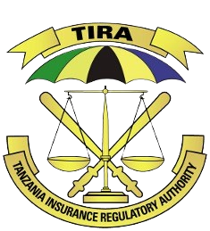
TANZANIA INSURANCE REGULATORY AUTHORITY

 | MINIMUM CAPITAL REQUIREMENT FOR REGISTRATION AS AN INSURANCE BROKER

 | NEW REGISTRANT FOR YEAR 2023/2024 AND ANNUAL LICENSE MAINTAINANCE FOR YEAR 2024

1. Form TIRA/BR-CAP/01/2023 is used for the New Insurance Broker Applicant for the year 2023/2024
2. Form TIRA/BR-CAP/02/2023 is used for the Annual License Maintainance Requirement for the year 2024

Arrangement of Forms are as below

S/N | FORM REFFERENCE | CONDITION
1 | TIRA/BR-CAP/01/2023 | FIRST TIME REGISTRATION AS INSURANCE BROKER
2 | TIRA/BR-CAP/02/2023 | ANNUAL LICENSE MAINTAINANCE REQUIREMENT FOR THE YEAR 2023

CONDITION 2
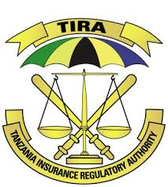
 | TIRA/BR-CAP/02/2023
TANZANIA INSURANCE REGULATORY AUTHORITY

MINIMUM CAPITAL REQUIREMENT FOR THE ANNUAL LICENSE MAINTAINANCE REQUIREMENT FOR THE YEAR 2024

CONDITION 2: ANNUAL LICENSE MAINTAINANCE REQUIREMENT FOR THE YEAR 2024

NAME OF BROKER:

Item Description | (TZS)
1. Minimum Capital for the year 2022
2. Non-Life Business for the period ended 31st December 2022
3. Life Business for the period ended 31st December 2022
4. Total Business As at 31st December 2022 | -
5. 3% of Total Premium Volume for year 2022 | -
6. Consumer Price Index (CPI) for year 2022 | 108.73
7. Consumer Price Index (CPI) for year 2023p | 112.35
8. Consumer Price Index (CPI) Ratio (7/6) | 1.03
9. Compare the ratio obtained in item 8 with 1.1 (Choose the lesser) | 1.03
10. Minimum Capital Required for year 2023/2024 | 19,800,000

MINIMUM CAPITAL REQUIRED FOR ANNUAL LICENSE MAINTAINANCE FOR INSURANCE BROKER FOR THE YEAR 2024 | TZS 19,800,000

NOTES:
1. Information of the Premium Volume must align with submitted returns
2. The Principal Officer and one of the Director of the Broker must confirm the information contained is accurate and reflect the actual position of the company.

Full Name of Principal Officer

Signature of Principal Officer

Full Name of Director

Signature of Director
Official Stamp

